Application
 |  |  | AIR MILES® Bonus Miles Application Form
 |  |  | Revised November 2

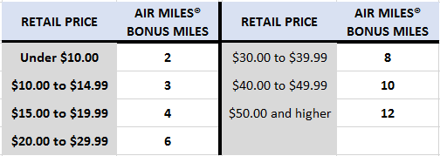
 |  |  |  |  | Minimum Mile Offer
 | Period*:

 | Supplier*:
 |  | * use drop-down menus to ensure information below populates correctly
 | Submitted by:

E-mail:

Manitoba Rep:

MBLL to Invoice | Sku | Description | Size | Price at date of application | AIR MILES® Promotion | Bonus AIR MILES Offer | Multi-SKU Bonus Offer | Multi-SKU Units
 | AIR MILES® A (1st - 15th of the month)

 | AIR MILES® B (16th - End of the Month)

